Capacity Calculations
Division of Drinking Water — Water System Capacity Calculation Sheet (Last Update 3/30/2017)
 |  |  |  |  |  | *Enter the green cells only*

System Name |  | ABC Water System |  |  |  |  | System Number | 09999

Convert "Number of other connections" (Cell E9) to ERCs here. [ERCs of other connections = peak day demand of other connections in gal per day / 800 gpd]
1.1 Indoor Water Use

 | Number of residential connections |  |  | - - - - - - - - - - - | - - - - - - - - - - | - - - - - - - - - | - - - - - - - - - | 200
 | Number of other connections - - - |  |  | 2 |  |  | ERCs of other connections | 10.0 | (Example: water use of 2 factories equals to water use of 55 homes.)
Enter number of non-residential connections, e.g., 2 industrial connections.
.
 |  |  |  |  |  |  | Total Equivalent Residential Connections (ERCs) | 210.0

 | MIN. REQUIREMENTS FOR INDOOR WATER USE
 | Source |  | Storage
 | gpd/ERC | Total (gpm) | Gallons/ERC | Total (gallons)
 | 800 | 116.7 | 400 | 84,000
Enter estimated irrigated acre per residential lot here.
1.2 Outdoor Water Use

 | Is the drinking water used for outdoor irrigation?
 | Residential ERCs using drinking water for irrigation |  |  |  |  | - - - - - - - - - | - - - > > > | 50
 | Percentage of Residential ERCs using DW for irrigation |  |  |  |  | - - - - - - - - - | - - - > > > | 25% | Map Zones
 | Average irrigated acreage per residential connection |  |  |  |  | - - - - - - - - - | - - - > > > | 0.05 | 1
Enter total irrigated acres of other connections here.
 | Total irrigated acreage of other connections (park, school, etc.) |  |  |  |  | - - - - - - - - - | - - - > > > | 10.00 | 2
(Enter notes here regarding whether and what % of irrigation water is supplied by PWS.) |  |  |  |  |  |  | Irrigation zone | 3 | 3
Select Irrigated Zone # from the pick list. See "Irrigation Demands & Map" tab on the bottom of the screen or WaterLink.
 |  |  |  |  |  |  |  |  | 4
 |  |  |  |  |  |  |  |  | 5
 | MIN. REQUIREMENTS FOR IRRIGATION USE |  |  |  |  |  |  |  | 6
 | Source |  | Storage
 | gpd/ERC | Total (gpm) | Gallons/ERC | Total (gallons)
 | 244 | 42.4 | 126 | 31,600

Enter fire flow in gpm.
1.3 Fire Flow Water Use

 | Does the water system provide fire protection?
 | Maximum fire flow demand (in gpm) for water system or pressure zone |  |  |  |  |  |  | 1,000
 | Maximum fire suppression duration (in hours) for water system or pressure zone |  |  |  |  |  |  | 1
 | Required Fire Suppression Storage (in gallons) |  |  |  | - - - - - - - - | - - - - - - - - - | - - - > > > | 60,000
Enter duration in hours.
(*Verify req'd fire flow and duration with local fire code officials.* Enter notes here, e.g. fire official contact info or comments.)

2. Summary of Water System Capacity Requirements

 | MINIMUM REQUIREMENTS FOR WATER SYSTEM
 | Source (indoor + outdoor) |  | Storage (indoor + outdoor + fire)
 | gpd/ERC | Total (gpm) | Gallons/ERC | Total (gallons)
 | 1,044 | 159.0 | 526 | 175,600

2.1 Does this system have adequate source capacity (per R309-510-7)?
This source capacity assessment is a general overall system calculation. It may not reflect the variations in individual areas or pressure zones.
Autolink to 2 "Total Source" cell above.
Autolink to 4.2 "Total Existing Source Capacity" cell below.
Source deficit indicates that: (1) additional source capacity is needed, and (2) source deficiency should be assessed.
 |  | Required Source Capacity | 159.0 | gpm
 |  | Existing Source Capacity | 180.0 | gpm
 |  | Source Capacity Deficit | None | gpm
Less than 100% indicates: (1) additional source capacity is needed, and (2) source deficiency should be assessed.
 |  | Existing % of Total Req'd | 113.2%

2.2 Does this system have adequate storage capacity (per R309-510-8)?
This storage capacity assessment is a general overall system calculation. It may not reflect the variations in individual areas or pressure zones.
Autolink to 2 "Total Storage" cell above.
Autolink to 4.3 "Total Existing Storage Capcity" cell below.
Storage deficit indicates that: (1) additional storage volume is needed, and (2) storage deficiency should be assessed.
 |  | Total Required Storage | 175,600 | gal
 |  | Existing Storage Capacity | 140,000 | gal
 |  | Storage Capacity Deficit | 35,600 | gal
 |  | Required Fire Storage | 60,000 | gal
If NO, answer one of question set 2.01 to 2.05 in ESS.
If YES, answer one of question set 2.06 to 2.10 in ESS.
Is storage deficiency solely due to fire storage? |  |  | YES
Less than 100% indicates: (1) additional storage capacity is needed, and (2) storage deficiency should be assessed.
 |  | Existing % of Total Req'd | 79.7%

3. Transient PWS Indoor Water Use — ERC Calcuation (See R309-510, Tables 510-1, 2, & 4 for other facility types.)

 |  |  |  | MINIMUM REQUIREMENTS FOR INDOOR USE
 |  |  |  | Source |  | Storage
Facility Type |  |  |  | GPD/person* | GPD/site or pad | Gallons/person | Gallon/site or pad | ERC/site or pad | Total # of sites/pads | ERCs
Modern Recreation Camp |  |  |  | 60 | 240 | 30 | 120 | 0.30 | 18 | 5.4
Semi-Developed Camp w/ flush toilets |  |  |  | 20 | 80 | 10 | 40 | 0.10 | 25 | 2.5
Semi-Developed Camp w/o flush toilets |  |  |  | 5 | 20 | 2.5 | 10 | 0.03 | 20 | 0.5
RV Park |  |  |  | N/A | 100 | N/A | 50 | 0.13 | 50 | 6.3
If applicable, enter number of people per camp site here.
 |  |  | Number of people per camp site | 4
If applicable, use this number in cell I8 or cell I9 on Page 1.
 |  |  |  | Source (GPD/vehicle) | Storage (Gal./vehicle) | ERC/1000 vehicles served | Vehicles served/day | ERCs
Roadway Rest Stop w/ flushometer valves |  |  |  | 7 | 3.5 | 8.8 | 700 | 6.1

Use this number in Cell I8 ("Number of residential connections") on Page 1 to calculate PROJECTED demand & req'ts (including both existing & future connections).
4. Data Input for Calculating ERCs, Source and Storage |  |  |  |  |  | 4.2 Summary - Existing Sources (enter in green cells below)
ABC Water System |  |  |  |  |  |  |  | Total Existing Source Capacity (in gpm) | 180
4.1 Projected ERCs Calculation (optional) |  |  |  |  |  | WS001 | A Spring |  | 90
 |  | Total Projected ERCs | 447 |  |  | WS005 | B Well |  | 40
Existing Residential Connections |  |  | 400 |  |  | WS007 | next town wholesale |  | 50
Obligated Future ERCs (enter below) |  |  | 47
Example 1 Subdivision |  |  | 60
Example 2 Homes |  |  | 18
Example 3 Estates |  |  | 9
Another Example Place |  |  | 50
Serendipity Stable |  |  | 5
River of No Return |  |  | 46
Rock School |  |  | 12

 |  |  |  |  |  | Maximum ERCs (assuming indoor use only) |  |  | 324
Diaphragm or air pressure tanks shall NOT be considered effective storage volume for (1) community systems, or (2) NTNC with significant demand UNLESS an exception has been granted.
 |  |  |  |  |  | 4.3 Summary - Existing Storage Tanks (enter below)
 |  |  |  |  |  |  |  | Total Existing Storage Cap. (in gallons) | 140,000
 |  |  |  |  |  | ST001 | South Tank |  | 50,000
 |  |  |  |  |  | ST002 | Jones Tank |  | 90,000

(Enter notes here. If additional space is needed, click the "Additional Notes" tab on the bottom of the screen.)

Irrigation Demands & Map
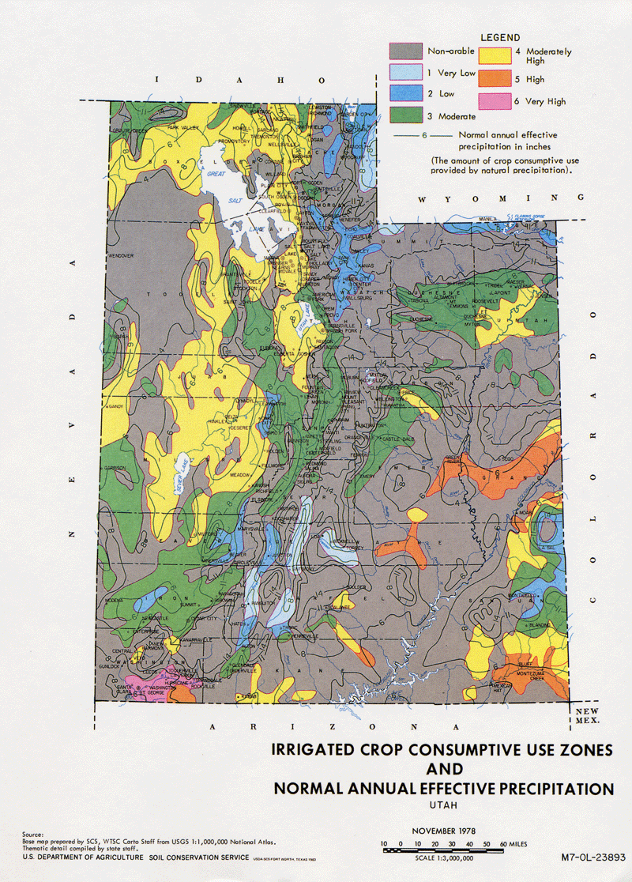
Irrigation Demands & ERCs
(This reference table is used to automate the calculations in the PWS Capacity Calculation sheet. Do not alter.)

System Name: |  | ABC Water System |  |  |  | System Number: | 09999

Zone | Peak Day | Avg Year | Storage | IRRIGATION DEMANDS
 | Demand | Demand | Reqmt | (to be added to indoor and fire flow demands)
3 | 3.39 | 1.66 | 2,528 |  |  | Avg. Yr. | Storage | Peak
 |  |  |  |  | Peak Day | (ac-ft/yr | Requirement | Instantaneous
 |  |  |  | zone | (gpm/irr. ac) | per irr. ac.) | (gal/irr. ac) | (gpm/irr. ac)
 |  |  |  | 1 | 2.26 | 1.17 | 1,782 | 4.52
 |  |  |  | 2 | 2.80 | 1.23 | 1,873 | 5.60
 |  |  |  | 3 | 3.39 | 1.66 | 2,528 | 6.78
 |  |  |  | 4 | 3.96 | 1.87 | 2,848 | 7.92
 |  |  |  | 5 | 4.52 | 2.68 | 4,081 | 9.04
 |  |  |  | 6 | 4.90 | 3.26 | 4,964 | 9.80

